High bin
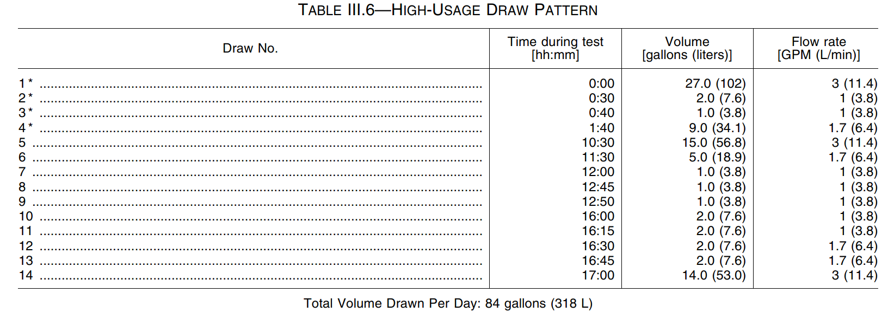
TR # |  |  |  |  | Test Date
Lab ID # |  |  |  |  | Test Station #
Manufacturer |  |  |  |  | Gas Type
Model # |  |  |  |  | Rated Input |  | Btu/hr
Serial #
Comments:

EVENT TABLE | Total Test (Qt) |  |  |  | Enter values in highlighted cells
Duration | 24.00 |  | [hr]
Barometer | 24.95 |  | [inHg]
Ambient Temperature | 69.00 |  | [°F]
Ambient Humidity | 50.00 |  | [%RH]
Power Consumption | 85.60 |  | [wh]
Uncorrected Gas Consumption | 53.90 |  | [cf]
Corrected Gas Consumption | 53.90 |  | [scf]
Higher Heating Value | 1,060.00 |  | [btu/cf]
Gas Temperature | 72.00 |  | [°F]
Gas Meter Pressure | 9.00 |  | [in. w.c]

DRAW TABLE | 1 | 2 | 3 | 4 | 5 | 6 | 7 | 8 | 9 | 10 | 11 | 12 | 13 | 14
Total Elec. Power Consumption | 8.73 | 1.55 | 0.65 | 4.56 | 4.91 | 2.61 | 0.70 | 0.65 | 0.75 | 1.35 | 1.35 | 1.00 | 1.00 | 4.61 | [wh]
Total Water Flow | 27.02 | 2.02 | 1.02 | 9.04 | 15.08 | 5.04 | 1.02 | 1.02 | 1.03 | 2.03 | 2.03 | 2.04 | 2.05 | 14.07 | [gal]
Avg. Supply Water Temp. | 57.74 | 58.00 | 57.88 | 57.66 | 57.76 | 57.62 | 58.19 | 58.04 | 57.83 | 58.03 | 57.95 | 57.64 | 57.78 | 57.69 | [°F]
Avg. Delivery Water Temp. | 125.51 | 123.39 | 120.72 | 124.64 | 124.01 | 122.80 | 116.79 | 112.98 | 123.70 | 116.66 | 122.56 | 121.11 | 121.50 | 124.94 | [°F]
Burner on Duration | 541.00 | 126.00 | 62.00 | 327.00 | 307.00 | 186.00 | 64.00 | 61.00 | 63.00 | 124.00 | 126.00 | 75.00 | 76.00 | 286.00 | [sec]
Total Gas Consumption | 17.20 | 1.25 | 0.65 | 5.85 | 9.55 | 3.20 | 0.65 | 0.65 | 0.65 | 1.30 | 1.25 | 1.25 | 1.25 | 8.80 | [ cf]

Density (ρ,i) | 8.238 | 8.243 | 8.248 | 8.240 | 8.241 | 8.244 | 8.256 | 8.264 | 8.242 | 8.256 | 8.244 | 8.247 | 8.246 | 8.239
Mi | 222.59 | 16.65 | 8.41 | 74.49 | 124.28 | 41.55 | 8.42 | 8.43 | 8.49 | 16.76 | 16.74 | 16.82 | 16.91 | 115.93
(Tdel,i + Tin,i)/2 | 91.63 | 90.70 | 89.30 | 91.15 | 90.89 | 90.21 | 87.49 | 85.51 | 90.77 | 87.35 | 90.26 | 89.38 | 89.64 | 91.32
Cp,i | 0.9983 | 0.9983 | 0.9983 | 0.9983 | 0.9983 | 0.9983 | 0.9984 | 0.9985 | 0.9983 | 0.9984 | 0.9983 | 0.9983 | 0.9983 | 0.9983
Qr,1 | 0.825
Output | 15,058.55 | 1,086.89 | 527.79 | 4,980.58 | 8,219.12 | 2,703.49 | 492.69 | 462.37 | 558.21 | 981.08 | 1,079.47 | 1,066.06 | 1,075.38 | 7,782.50
Input | 18,261.79 | 1,330.29 | 691.22 | 6,216.56 | 10,139.75 | 3,400.91 | 691.39 | 691.22 | 691.56 | 1,382.61 | 1,329.61 | 1,328.41 | 1,328.41 | 9,343.73

QHW,i | 18,261.79 | 1,318.09 | 640.06 | 6,040.04 | 9,967.48 | 3,278.58 | 597.50 | 560.73 | 676.96 | 1,189.78 | 1,309.09 | 1,292.83 | 1,304.14 | 9,437.98 | 55,875.05
QHW,67,i | 18,054.30 | 1,350.54 | 682.43 | 6,041.85 | 10,080.32 | 3,370.13 | 683.15 | 683.82 | 688.57 | 1,359.63 | 1,357.52 | 1,364.73 | 1,371.27 | 9,402.90 | 56,491.15
QHWD,i | -207.49 | 32.45 | 42.37 | 1.80 | 112.84 | 91.55 | 85.65 | 123.09 | 11.61 | 169.85 | 48.42 | 71.90 | 67.13 | -35.09 | 616.10
Qt, Input | 57,426.07
Qdm | 58,042.17

UEF,i | 0.2565 | 0.0192 | 0.0097 | 0.0858 | 0.1432 | 0.0479 | 0.0097 | 0.0097 | 0.0098 | 0.0193 | 0.0193 | 0.0194 | 0.0195 | 0.1336 | 0.8026

Input (BTU/h) | 121,520.21 | 38,008.25 | 40,135.23 | 68,439.18 | 118,902.64 | 65,823.97 | 38,890.60 | 40,793.18 | 39,517.66 | 40,140.18 | 37,988.75 | 63,763.78 | 62,924.78 | 117,613.38
Thermal Efficiency | 0.825 | 0.817 | 0.764 | 0.801 | 0.811 | 0.795 | 0.713 | 0.669 | 0.807 | 0.710 | 0.812 | 0.803 | 0.810 | 0.833

